Home
OFS Risk Ranking Tool

IMPORTANT – HOW TO USE THIS TOOL
To ensure the Risk Ranking Tool functions correctly, follow the steps below:
1. Do not open this Excel file directly from email, Microsoft Teams, SharePoint, or a web browser.
2. Save the file to your Desktop or another local folder first.
3. Open the Excel file locally.
4. If the file does not work properly, close it completely.
5. Right-click on the Excel file and select Properties.
6. In the General tab, check “Unblock” (or “Unlock”, if displayed).
7. Click Apply, then OK.
8. Re-open the Excel file and Enable Macros when prompted.

Recordables
Level D Events
Near Misses
Potential Severe Events
Action Tracking System (ATS)

Concern Reports (CRs)
ATS & Concern Reports – Contribution
OFS Risk Ranking

Proactive Risk
Page
Risk Ranking – Calculation Methods
OFS Life Saving Rules Risk Ranking

All Sheets
Home
OFS Risk Register
2022
2024

2025

Recordables
Serial | Hazard Category | Recordables | Level A | Level B | Level C

1 | Access / Egress | 0
2 | Animals/Insects | 0
3 | Accommodation/Lodging | 0
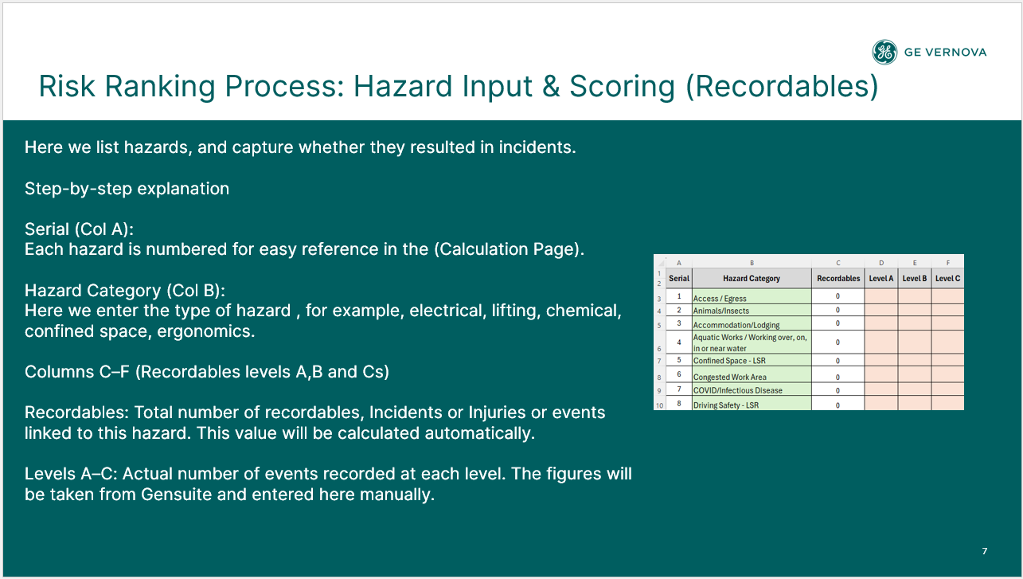
4 | Aquatic Works / Working over, on, in or near water | 0
5 | Confined Space - LSR | 0
6 | Congested Work Area | 0
7 | COVID/Infectious Disease | 0
8 | Driving Safety - LSR | 0
9 | Emergency Preparedness & Response | 0
10 | Energy Isolation - LSR | 0
11 | Environment | 0
12 | Environment/Spill/Waste | 0
13 | Ergonomics | 0
14 | Excavation | 0
15 | Fatigue/Work Stress | 0
16 | Fire and Explosion - LSR | 0
17 | Hazardous Substances | 0
18 | Housekeeping | 0
19 | Industrial Hygiene - Biological | 0
20 | Industrial Hygiene - Chemical | 0
21 | Industrial Hygiene - Physical (Noise, Vibration, Lighting etc.) | 0
22 | Line of Fire - LSR | 1 |  |  | 1
23 | Live Electrical - LSR | 0
24 | Machine / Equipment | 0
25 | Manual Handling | 0
26 | Mechanical Lifting - LSR | 0
27 | Non-powered Hand Tools | 0
28 | Pedestrian and Vehicle Traffic Management | 0
29 | Personal Protective Equipment (PPE) | 0
30 | Pinch Point/Sharp Objects | 0
31 | Powered Hand Tools | 0
32 | Radiation | 0
33 | Site Welfare Facilities | 0
34 | Systems & Procedures | 0
35 | Walking Working Surfaces | 0
36 | Weather | 0
37 | Work at Height - LSR | 0
38 | Work Authorization - LSR | 0
39 | Working Alone | 0
40 |  | 0
41 |  | 0
42 |  | 0
43 |  | 0
44 |  | 0
45 |  | 0
46 |  | 0
47 |  | 0
48 |  | 0
49 |  | 0
50 |  | 0
51 |  | 0
52 |  | 0
53 |  | 0
54 |  | 0
55 |  | 0
56 |  | 0
57 |  | 0
58 |  | 0
59 |  | 0
60 |  | 0

FA, NMs, PSEs
Serial | Hazard Category | Level Ds | PSEs | NMs

1 | Access / Egress
2 | Animals/Insects
3 | Accommodation/Lodging
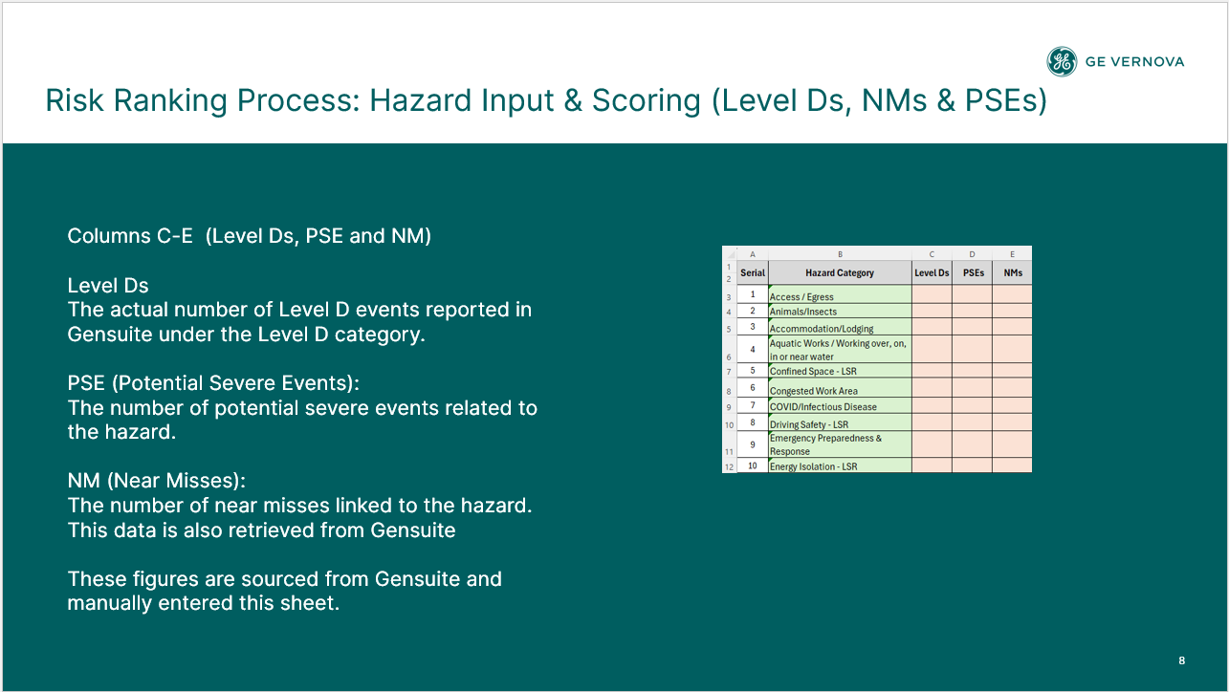
4 | Aquatic Works / Working over, on, in or near water
5 | Confined Space - LSR
6 | Congested Work Area
7 | COVID/Infectious Disease
8 | Driving Safety - LSR
9 | Emergency Preparedness & Response
10 | Energy Isolation - LSR
11 | Environment
12 | Environment/Spill/Waste
13 | Ergonomics
14 | Excavation
15 | Fatigue/Work Stress
16 | Fire and Explosion - LSR
17 | Hazardous Substances
18 | Housekeeping
19 | Industrial Hygiene - Biological
20 | Industrial Hygiene - Chemical
21 | Industrial Hygiene - Physical (Noise, Vibration, Lighting etc.)
22 | Line of Fire - LSR
23 | Live Electrical - LSR
24 | Machine / Equipment
25 | Manual Handling
26 | Mechanical Lifting - LSR | 1
27 | Non-powered Hand Tools
28 | Pedestrian and Vehicle Traffic Management
29 | Personal Protective Equipment (PPE)
30 | Pinch Point/Sharp Objects
31 | Powered Hand Tools | 1
32 | Radiation
33 | Site Welfare Facilities
34 | Systems & Procedures
35 | Walking Working Surfaces
36 | Weather | 1
37 | Work at Height - LSR |  |  | 1
38 | Work Authorization - LSR
39 | Working Alone
40 | 0
41 | 0
42 | 0
43 | 0
44 | 0
45 | 0
46 | 0
47 | 0
48 | 0
49 | 0
50 | 0
51 | 0
52 | 0
53 | 0
54 | 0
55 | 0
56 | 0
57 | 0
58 | 0
59 | 0
60 | 0

ATS
Serial | Hazard Category | ATS By Hazard | Total ATS

1 | Access / Egress | 9 | 95
2 | Animals/Insects | 4 | 95
3 | Accommodation/Lodging | 1 | 95
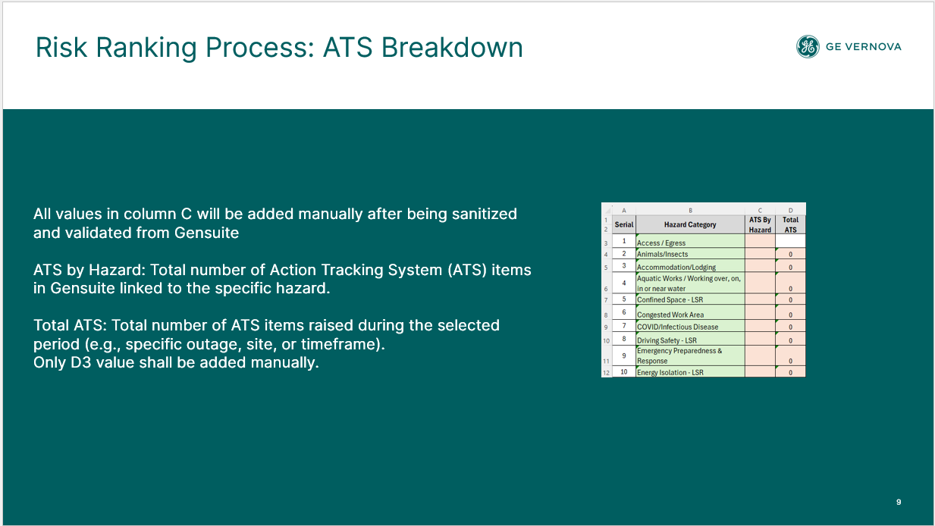
4 | Aquatic Works / Working over, on, in or near water | 1 | 95
5 | Confined Space - LSR |  | 95
6 | Congested Work Area |  | 95
7 | COVID/Infectious Disease |  | 95
8 | Driving Safety - LSR | 6 | 95
9 | Emergency Preparedness & Response |  | 95
10 | Energy Isolation - LSR |  | 95
11 | Environment |  | 95
12 | Environment/Spill/Waste | 6 | 95
13 | Ergonomics |  | 95
14 | Excavation |  | 95
15 | Fatigue/Work Stress | 1 | 95
16 | Fire and Explosion - LSR |  | 95
17 | Hazardous Substances | 1 | 95
18 | Housekeeping | 6 | 95
19 | Industrial Hygiene - Biological |  | 95
20 | Industrial Hygiene - Chemical |  | 95
21 | Industrial Hygiene - Physical (Noise, Vibration, Lighting etc.) |  | 95
22 | Line of Fire - LSR |  | 95
23 | Live Electrical - LSR |  | 95
24 | Machine / Equipment | 6 | 95
25 | Manual Handling |  | 95
26 | Mechanical Lifting - LSR | 1 | 95
27 | Non-powered Hand Tools |  | 95
28 | Pedestrian and Vehicle Traffic Management | 4 | 95
29 | Personal Protective Equipment (PPE) | 6 | 95
30 | Pinch Point/Sharp Objects | 7 | 95
31 | Powered Hand Tools | 1 | 95
32 | Radiation |  | 95
33 | Site Welfare Facilities | 1 | 95
34 | Systems & Procedures | 2 | 95
35 | Walking Working Surfaces | 16 | 95
36 | Weather | 11 | 95
37 | Work at Height - LSR | 5 | 95
38 | Work Authorization - LSR |  | 95
39 | Working Alone |  | 95
40 | 0 |  | 95
41 | 0 |  | 95
42 | 0 |  | 95
43 | 0 |  | 95
44 | 0 |  | 95
45 | 0 |  | 95
46 | 0 |  | 95
47 | 0 |  | 95
48 | 0 |  | 95
49 | 0 |  | 95
50 | 0 |  | 95
51 | 0 |  | 95
52 | 0 |  | 95
53 | 0 |  | 95
54 | 0 |  | 95
55 | 0 |  | 95
56 | 0 |  | 95
57 | 0 |  | 95
58 | 0 |  | 95
59 | 0 |  | 95
60 | 0 |  | 95

Concern Reports
Serial | Hazard Category | CR By Hazard | Adverse CR | Positive CR | STOP CR | Escalated CR

1 | Access / Egress | 41 | 36 | 5
2 | Animals/Insects | 19 | 12 | 5 | 2
3 | Accommodation/Lodging | 9 | 5 | 4
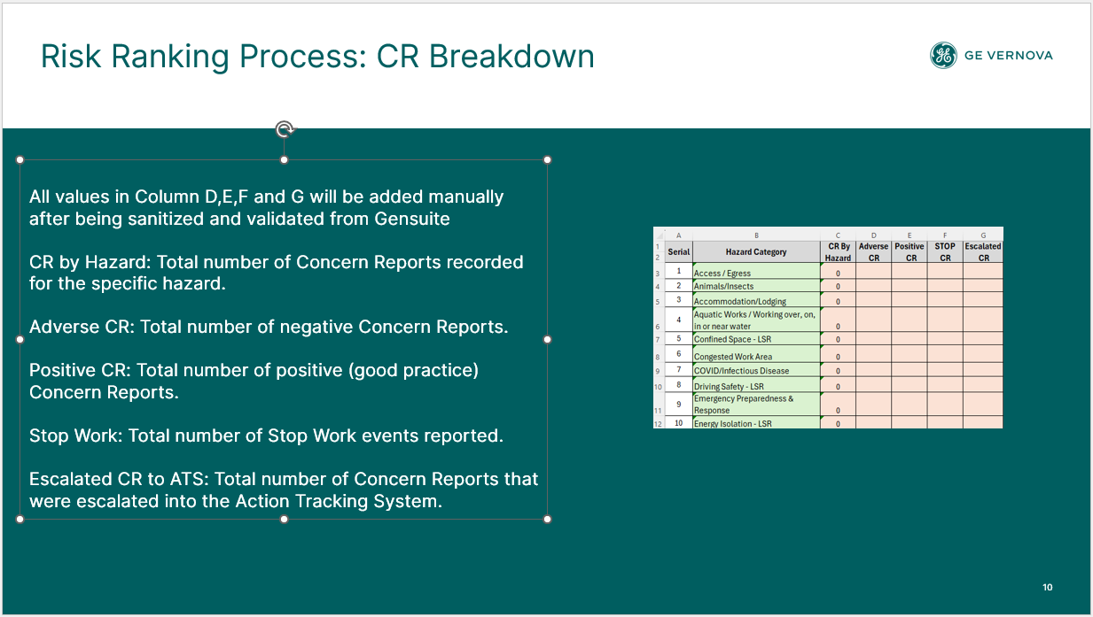
4 | Aquatic Works / Working over, on, in or near water | 1 | 1 | 0
5 | Confined Space - LSR | 18 | 10 | 8
6 | Congested Work Area | 82 | 72 | 10
7 | COVID/Infectious Disease | 0
8 | Driving Safety - LSR | 29 | 21 | 8
9 | Emergency Preparedness & Response | 41 | 34 | 5 | 2
10 | Energy Isolation - LSR | 59 | 34 | 21 | 4
11 | Environment | 27 | 24 | 3
12 | Environment/Spill/Waste | 93 | 85 | 8
13 | Ergonomics | 38 | 26 | 11 | 1
14 | Excavation | 0
15 | Fatigue/Work Stress | 9 | 4 | 5
16 | Fire and Explosion - LSR | 62 | 52 | 7 | 3
17 | Hazardous Substances | 79 | 61 | 17 | 1
18 | Housekeeping | 249 | 168 | 81
19 | Industrial Hygiene - Biological | 6 | 6 | 0
20 | Industrial Hygiene - Chemical | 50 | 40 | 10
21 | Industrial Hygiene - Physical (Noise, Vibration, Lighting etc.) | 49 | 39 | 10
22 | Line of Fire - LSR | 122 | 92 | 30
23 | Live Electrical - LSR | 26 | 20 | 6
24 | Machine / Equipment | 64 | 45 | 18 | 1
25 | Manual Handling | 12 | 6 | 6
26 | Mechanical Lifting - LSR | 219 | 131 | 74 | 14
27 | Non-powered Hand Tools | 16 | 11 | 5
28 | Pedestrian and Vehicle Traffic Management | 18 | 12 | 5 | 1
29 | Personal Protective Equipment (PPE) | 320 | 220 | 95 | 5
30 | Pinch Point/Sharp Objects | 94 | 83 | 11
31 | Powered Hand Tools | 23 | 16 | 6 | 1
32 | Radiation | 3 | 3 | 0
33 | Site Welfare Facilities | 51 | 45 | 6
34 | Systems & Procedures | 315 | 200 | 111 | 4
35 | Walking Working Surfaces | 194 | 171 | 21 | 2
36 | Weather | 39 | 26 | 9 | 4
37 | Work at Height - LSR | 135 | 102 | 21 | 12
38 | Work Authorization - LSR | 18 | 13 | 3 | 2
39 | Working Alone | 0
40 | 0 | 0
41 | 0 | 0
42 | 0 | 0
43 | 0 | 0
44 | 0 | 0
45 | 0 | 0
46 | 0 | 0
47 | 0 | 0
48 | 0 | 0
49 | 0 | 0
50 | 0 | 0
51 | 0 | 0
52 | 0 | 0
53 | 0 | 0
54 | 0 | 0
55 | 0 | 0
56 | 0 | 0
57 | 0 | 0
58 | 0 | 0
59 | 0 | 0
60 | 0 | 0

CR, ATS Contribution
Serial | Hazard Category | ATS contrbution | CR contrbution | AT/C | CR/C

1 | Access / Egress | 5 | 55 | 5 | 55
2 | Animals/Insects | 2 | 79 | 2 | 42
3 | Accommodation/Lodging | 1 | 30 | 1 | 30
4 | Aquatic Works / Working over, on, in or near water | 1 | 65 | 1 | 65
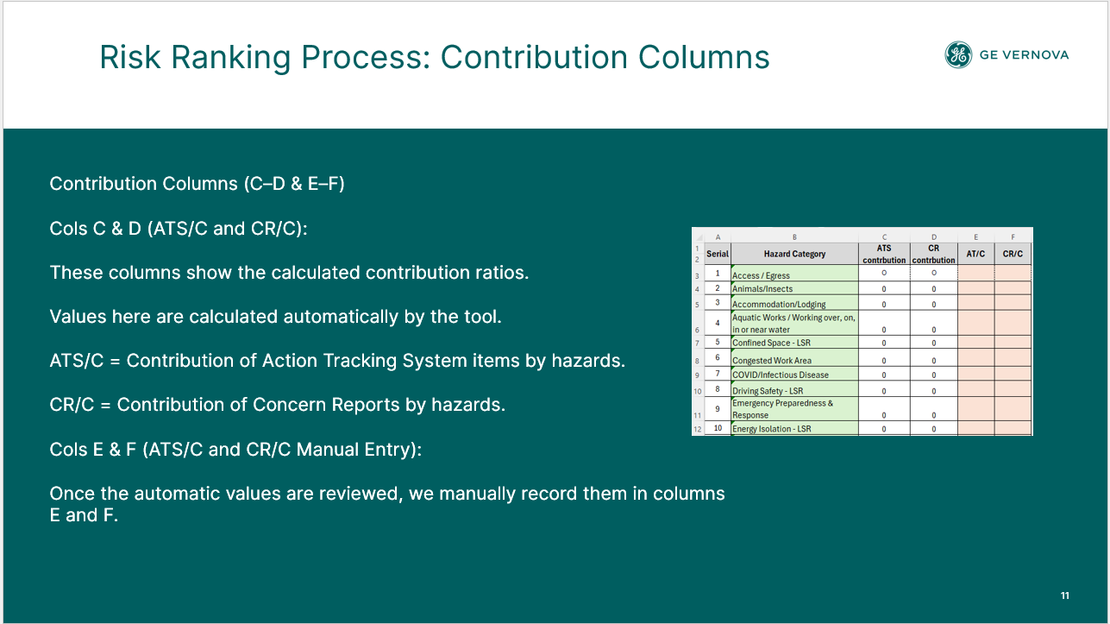
5 | Confined Space - LSR | 0 | 30 | 0 | 30
6 | Congested Work Area | 0 | 55 | 0 | 55
7 | COVID/Infectious Disease | 0 | 0 | 0 | 0
8 | Driving Safety - LSR | 3 | 43 | 3 | 43
9 | Emergency Preparedness & Response | 0 | 71 | 0 | 55
10 | Energy Isolation - LSR | 0 | 59 | 0 | 35
11 | Environment | 0 | 56 | 0 | 56
12 | Environment/Spill/Waste | 3 | 58 | 3 | 58
13 | Ergonomics | 0 | 51 | 0 | 42
14 | Excavation | 0 | 0 | 0 | 0
15 | Fatigue/Work Stress | 1 | 22 | 1 | 22
16 | Fire and Explosion - LSR | 0 | 72 | 0 | 56
17 | Hazardous Substances | 1 | 52 | 1 | 48
18 | Housekeeping | 3 | 40 | 3 | 40
19 | Industrial Hygiene - Biological | 0 | 65 | 0 | 65
20 | Industrial Hygiene - Chemical | 0 | 49 | 0 | 49
21 | Industrial Hygiene - Physical (Noise, Vibration, Lighting etc.) | 0 | 49 | 0 | 49
22 | Line of Fire - LSR | 0 | 46 | 0 | 46
23 | Live Electrical - LSR | 0 | 47 | 0 | 47
24 | Machine / Equipment | 3 | 48 | 3 | 48
25 | Manual Handling | 0 | 26 | 0 | 26
26 | Mechanical Lifting - LSR | 1 | 59 | 1 | 37
27 | Non-powered Hand Tools | 0 | 41 | 0 | 41
28 | Pedestrian and Vehicle Traffic Management | 2 | 61 | 2 | 42
29 | Personal Protective Equipment (PPE) | 3 | 47 | 3 | 41
30 | Pinch Point/Sharp Objects | 4 | 56 | 4 | 56
31 | Powered Hand Tools | 1 | 59 | 1 | 44
32 | Radiation | 0 | 65 | 0 | 65
33 | Site Welfare Facilities | 1 | 56 | 1 | 56
34 | Systems & Procedures | 1 | 42 | 0 | 37
35 | Walking Working Surfaces | 8 | 60 | 8 | 56
36 | Weather | 6 | 80 | 6 | 45
37 | Work at Height - LSR | 3 | 82 | 3 | 52
38 | Work Authorization - LSR | 0 | 88 | 0 | 50
39 | Working Alone | 0 | 0 | 0
40 | 0 | 0 | 0 | 0
41 | 0 | 0 | 0 | 0
42 | 0 | 0 | 0
43 | 0 | 0 | 0
44 | 0 | 0 | 0
45 | 0 | 0 | 0
46 | 0 | 0 | 0
47 | 0 | 0 | 0
48 | 0 | 0 | 0
49 | 0 | 0 | 0
50 | 0 | 0 | 0
51 | 0 | 0 | 0
52 | 0 | 0 | 0
53 | 0 | 0 | 0
54 | 0 | 0 | 0
55 | 0 | 0 | 0
56 | 0 | 0 | 0
57 | 0 | 0 | 0
58 | 0 | 0 | 0
59 | 0 | 0 | 0
60 | 0 | 0 | 0

CR, AT-C and I&I (RR)
 |  | Risk Ranking By Leading indicators Contrbution |  |  | Risk Ranking By Lagging indicators

Serial | Hazard Category | S | F | R | S | F | R

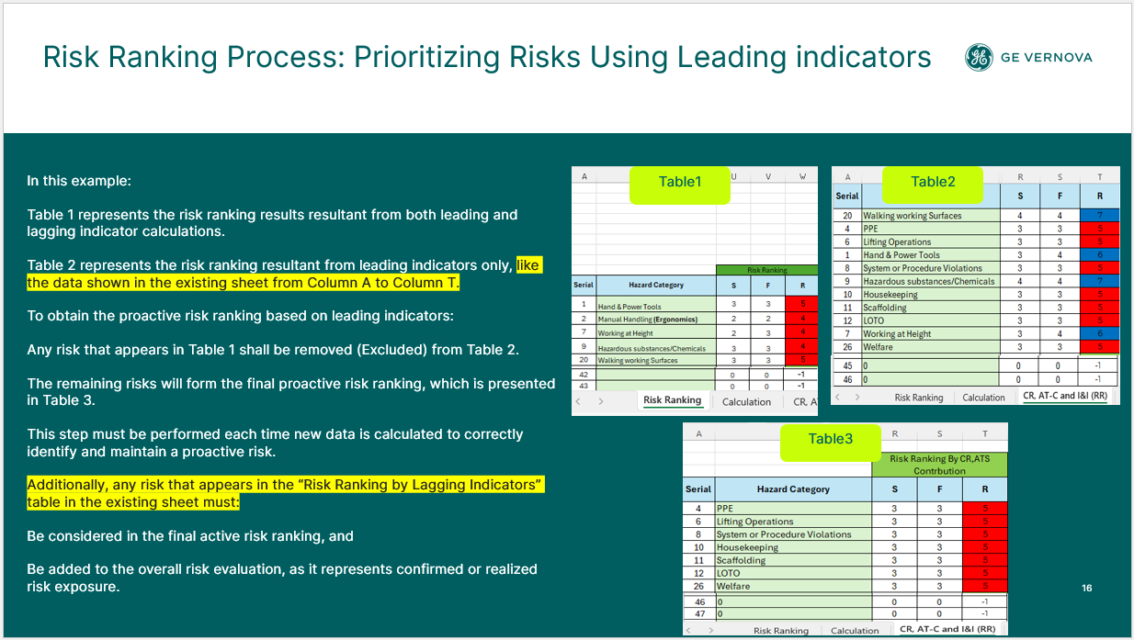
1 | Access / Egress | 3 | 3 | 5 | 0 | 0 | 0
2 | Animals/Insects | 3 | 3 | 5 | 0 | 0 | 0
3 | Accommodation/Lodging | 3 | 3 | 5 | 0 | 0 | 0
4 | Aquatic Works / Working over, on, in or near water | 3 | 3 | 5 | 0 | 0 | 0
8 | Driving Safety - LSR | 3 | 3 | 5 | 0 | 0 | 0
12 | Environment/Spill/Waste | 3 | 3 | 5 | 0 | 0 | 0
15 | Fatigue/Work Stress | 3 | 3 | 5 | 0 | 0 | 0
17 | Hazardous Substances | 3 | 3 | 5 | 0 | 0 | 0
18 | Housekeeping | 3 | 3 | 5 | 0 | 0 | 0
22 | Line of Fire - LSR | 2 | 2 | 3 | 2 | 3 | 4
24 | Machine / Equipment | 3 | 3 | 5 | 0 | 0 | 0
28 | Pedestrian and Vehicle Traffic Management | 3 | 3 | 5 | 0 | 0 | 0
29 | Personal Protective Equipment (PPE) | 3 | 3 | 5 | 0 | 0 | 0
30 | Pinch Point/Sharp Objects | 3 | 3 | 5 | 0 | 0 | 0
33 | Site Welfare Facilities | 3 | 3 | 5 | 0 | 0 | 0
35 | Walking Working Surfaces | 3 | 3 | 5 | 0 | 0 | 0
36 | Weather | 3 | 3 | 5 | 0 | 0 | 0
37 | Work at Height - LSR | 3 | 3 | 5 |  |  | #VALUE!

OFS Risk Register 2022
Home
GEV OFS RISK REGISTER 2022
Hazard of Concern | APAC Severity | APAC Frequency | APAC Risk | EU Severity | EU Frequency | EU Risk | LATAM Severity | LATAM Frequency | LATAM Risk | MEA Severity | MEA Frequency | MEA Risk | NAM Severity | NAM Frequency | NAM Risk | Global Severity TRA | Global Frequency TRA | Global Risk TRA
Use of Tooling | 2 | 3 | 4 | 3 | 4 | 6 | 4 | 4 | 7 | 2 | 2 | 3 | 3 | 4 | 6 | 3 | 4 | 6
Walking Surfaces | 2 | 3 | 4 | 3 | 3 | 5 | 3 | 3 | 5 | 3 | 3 | 5 | 2 | 4 | 5 | 3 | 3 | 5
Lifting Operations | 4 | 4 | 7 | 2 | 3 | 4 | 2 | 3 | 4 | 3 | 3 | 5 | 2 | 2 | 3 | 3 | 3 | 5
Motor Vehicle Operations | 2 | 4 | 5 | 2 | 4 | 5 | 3 | 3 | 5 | 3 | 3 | 5 | 3 | 3 | 5 | 3 | 3 | 5
Pinch Point / LOF | 3 | 3 | 5 | 3 | 2 | 4 | 1 | 1 | 1 | 2 | 1 | 2 | 1 | 2 | 2 | 3 | 2 | 4
Oil Spill | 4 | 4 | 7 | 1 | 2 | 2 | 2 | 3 | 4 | 1 | 2 | 2 | 1 | 2 | 2 | 2 | 3 | 4
Manual Handling / Ergo | 2 | 2 | 3 | 2 | 2 | 3 | 1 | 2 | 2 | 2 | 1 | 2 | 3 | 3 | 5 | 3 | 2 | 4
Dropped Objects | 2 | 2 | 3 | 1 | 3 | 3 | 1 | 3 | 3 | 2 | 1 | 2 | 3 | 3 | 5 | 2 | 3 | 4
Dust, Grit & Fume | 1 | 1 | 1 | 2 | 3 | 4 | 1 | 2 | 2 | 1 | 1 | 1 | 1 | 2 | 2 | 1 | 3 | 3
Working at Heights | 2 | 1 | 2 | 3 | 3 | 5 | 1 | 1 | 1 | 2 | 1 | 2 | 1 | 1 | 1 | 2 | 2 | 3
Powered Industrial Vehicles | 1 | 1 | 1 | 1 | 2 | 2 | 1 | 1 | 1 | 1 | 1 | 1 | 3 | 2 | 4 | 1 | 2 | 2
Uncontrolled Energy (LOTO) | 1 | 2 | 2 | 1 | 1 | 1 | 1 | 1 | 1 | 1 | 1 | 1 | 1 | 2 | 2 | 1 | 2 | 2
Hazardous Substances | 2 | 1 | 2 | 2 | 2 | 3 | 2 | 1 | 2 | 2 | 2 | 3 | 1 | 1 | 1 | 2 | 1 | 2
 |  |  | 0 |  |  | 0 |  |  | 0 |  |  | 0 |  |  | 0 |  |  | 0
 |  |  | 0 |  |  | 0 |  |  | 0 |  |  | 0 |  |  | 0 |  |  | 0
 |  |  | 0 |  |  | 0 |  |  | 0 |  |  | 0 |  |  | 0 |  |  | 0
 |  |  | 0 |  |  | 0 |  |  | 0 |  |  | 0 |  |  | 0 |  |  | 0
 |  |  | 0 |  |  | 0 |  |  | 0 |  |  | 0 |  |  | 0 |  |  | 0

OFS Risk Register 2024
Home
GEV OFS RISK REGISTER 2024
Hazard of Concern | EU Severity | EU Frequency | EU Risk | ASIA Severity | ASIA Frequency | ASIA Risk | LATAM Severity | LATAM Frequency | LATAM Risk | MEA Severity | MEA Frequency | MEA Risk | NAM Severity | NAM Frequency | NAM Risk | Global Severity TRA | Global Frequency TRA | Global Risk TRA
Lifting Operations/ Mechanical Lifting -LSR | 2 | 2 | 3 | 4 | 4 | 7 | 2 | 2 | 3 | 2 | 3 | 4 | 3 | 4 | 6 | 4 | 4 | 7
Hydraulic Tools / Jacks | 1 | 2 | 2 | 1 | 2 | 2 | 1 | 2 | 2 | 1 | 2 | 2 | 3 | 4 | 6 | 4 | 4 | 7
Manual Handling (Ergonomics) | 4 | 4 | 7 | 3 | 2 | 4 | 2 | 2 | 3 | 1 | 1 | 1 | 3 | 3 | 5 | 4 | 3 | 6
Walking Working Surfaces / Fall Same Levels | 3 | 2 | 4 | 4 | 4 | 7 | 3 | 3 | 5 | 2 | 3 | 4 | 3 | 3 | 5 | 4 | 3 | 6
Hand & Power Tools | 4 | 4 | 7 | 3 | 3 | 5 | 2 | 2 | 3 | 1 | 1 | 1 | 1 | 1 | 1 | 4 | 3 | 6
PPE | 4 | 3 | 6 | 3 | 2 | 4 | 3 | 2 | 4 | 2 | 2 | 3 | 3 | 2 | 4 | 4 | 3 | 6
Scaffolding | 4 | 3 | 6 | 4 | 3 | 6 | 2 | 2 | 3 | 2 | 2 | 3 | 2 | 2 | 3 | 4 | 3 | 6
Driving Safety/ Motor Vehicle/ Pedestrian and Vehicle Traffic Management | 2 | 2 | 3 | 2 | 2 | 3 | 1 | 1 | 1 | 3 | 4 | 6 | 3 | 3 | 5 | 4 | 3 | 6
Dropped Objects | 2 | 2 | 3 | 3 | 3 | 5 | 2 | 2 | 3 | 3 | 3 | 5 | 3 | 4 | 6 | 4 | 3 | 6
Electrical Safety -LSR/Live Electrical | 2 | 2 | 3 | 3 | 4 | 6 | 3 | 2 | 4 | 1 | 1 | 1 | 3 | 2 | 4 | 4 | 3 | 6
Debris, Dust, Fume or Grit (Foreing material / flying particles) | 1 | 1 | 1 | 3 | 2 | 4 | 1 | 1 | 1 | 3 | 3 | 5 | 4 | 2 | 5 | 4 | 3 | 6
Lock Out Tag Out (LOTO)/ Energy Isolation - LSR | 2 | 2 | 3 | 3 | 3 | 5 | 2 | 2 | 3 | 2 | 2 | 3 | 2 | 3 | 4 | 4 | 3 | 6
Working with Contractor | 2 | 2 | 3 | 2 | 2 | 3 | 2 | 2 | 3 | 2 | 2 | 3 | 3 | 3 | 5 | 4 | 3 | 6
Forklift and Material Handling | 2 | 2 | 3 | 3 | 2 | 4 | 1 | 1 | 1 | 2 | 2 | 3 | 3 | 3 | 5 | 4 | 3 | 6
Line of Fire -LSR | 3 | 2 | 4 | 4 | 3 | 6 | 2 | 2 | 3 | 2 | 3 | 4 | 4 | 3 | 6 | 3 | 2 | 4
Confined Space -LSR | 2 | 2 | 3 | 2 | 2 | 3 | 3 | 2 | 4 | 2 | 2 | 3 | 2 | 2 | 3 | 3 | 3 | 5
Spill / Release | 1 | 1 | 1 | 4 | 4 | 7 | 2 | 3 | 4 | 3 | 2 | 4 | 3 | 2 | 4 | 3 | 3 | 5
Fire prevention & Protection | 2 | 2 | 3 | 2 | 2 | 3 | 1 | 1 | 1 | 2 | 2 | 3 | 2 | 3 | 4 | 3 | 3 | 5
Hot work / Hot Surfaces | 1 | 1 | 1 | 2 | 2 | 3 | 2 | 2 | 3 | 2 | 2 | 3 | 3 | 3 | 5 | 3 | 3 | 5
Pinch Point/Sharp Objects | 3 | 2 | 4 | 4 | 3 | 6 | 3 | 2 | 4 | 3 | 3 | 5 | 4 | 3 | 6 | 3 | 3 | 5
Extreme Weather | 2 | 2 | 3 | 2 | 2 | 3 | 2 | 2 | 3 | 3 | 2 | 4 | 2 | 2 | 3 | 3 | 3 | 5
Hazardous substances/Chemicals/IH | 2 | 1 | 2 | 3 | 3 | 5 | 2 | 3 | 4 | 2 | 3 | 4 | 3 | 3 | 5 | 3 | 3 | 5
Animals/Insects | 2 | 2 | 3 | 3 | 2 | 4 | 3 | 2 | 4 | 1 | 1 | 1 | 2 | 2 | 3 | 3 | 3 | 4
System or Procedure Violations | 2 | 2 | 3 | 2 | 2 | 3 | 2 | 2 | 3 | 2 | 2 | 3 | 2 | 2 | 3 | 3 | 3 | 4

OFS Risk Register 2025
Home
GEV OFS RISK REGISTER 2025
Hazard of Concern | EU Severity | EU Frequency | EU Risk | ASIA Severity | ASIA Frequency | ASIA Risk | LATAM Severity | LATAM Frequency | LATAM Risk | MEA Severity | MEA Frequency | MEA Risk | NAM Severity | NAM Frequency | NAM Risk | Global Severity TRA | Global Frequency TRA | Global Risk TRA
Driving Safety - LSR | 2 | 2 | 3 | 2 | 2 | 3 | 2 | 2 | 3 | 4 | 3 | 6 | 3 | 3 | 5 | 4 | 4 | 7
Pinch Point/Sharp Objects/Line of Fire - LSR | 2 | 4 | 5 | 3 | 3 | 5 | 2 | 3 | 4 | 2 | 3 | 4 | 3 | 3 | 5 | 4 | 4 | 7
Mechanical Lifting - LSR | 2 | 2 | 3 | 3 | 3 | 5 | 2 | 3 | 4 | 3 | 3 | 5 | 3 | 3 | 5 | 3 | 4 | 6
Manual Handling (Ergonomics) | 2 | 2 | 3 | 2 | 3 | 4 | 2 | 2 | 3 | 2 | 1 | 2 | 2 | 3 | 4 | 3 | 4 | 6
Powered & Hand Tools | 3 | 3 | 5 | 3 | 3 | 5 | 2 | 2 | 3 | 2 | 2 | 3 | 3 | 3 | 5 | 3 | 4 | 6
Walking Working Surfaces | 2 | 4 | 5 | 2 | 2 | 3 | 2 | 3 | 4 | 2 | 3 | 4 | 2 | 3 | 4 | 3 | 4 | 6
Live Electrical -LSR | 2 | 1 | 2 | 2 | 3 | 4 | 2 | 1 | 2 | 2 | 2 | 3 | 3 | 3 | 5 | 3 | 3 | 5
Forklift and Material Handling / Industrial Trucks | 2 | 2 | 3 | 2 | 2 | 3 | 2 | 1 | 2 | 2 | 2 | 3 | 1 | 2 | 2 | 3 | 3 | 5
Dropped Objects | 2 | 1 | 2 | 2 | 1 | 2 | 1 | 2 | 2 | 2 | 2 | 3 | 3 | 3 | 5 | 3 | 3 | 5
Industrial Hygiene - Chemical | 2 | 3 | 4 | 2 | 1 | 2 | 2 | 2 | 3 | 2 | 2 | 3 | 2 | 3 | 4 | 2 | 3 | 4
Work at Height - LSR | 2 | 3 | 4 | 2 | 2 | 3 | 2 | 1 | 2 | 2 | 2 | 3 | 2 | 3 | 4 | 2 | 3 | 4
Congested Work Area | 2 | 2 | 3 | 2 | 1 | 2 | 2 | 2 | 3 | 2 | 2 | 3 | 1 | 2 | 2 | 2 | 3 | 4
Debris, Dust, Fume or Grit (Foreing material / flying particles) | 2 | 1 | 2 | 1 | 2 | 2 | 2 | 1 | 2 | 1 | 2 | 2 | 1 | 2 | 2 | 2 | 3 | 4
Personal Protective Equipment (PPE) | 2 | 2 | 3 | 2 | 2 | 3 | 2 | 3 | 4 | 2 | 2 | 3 | 2 | 2 | 3 | 2 | 3 | 4
Animals/Insects | 2 | 1 | 2 | 1 | 1 | 1 | 1 | 1 | 1 |  |  | 0 | 2 | 2 | 3 | 2 | 2 | 3
Confined Space - LSR | 2 | 1 | 2 | 2 | 2 | 3 | 1 | 1 | 1 | 2 | 2 | 3 | 1 | 1 | 1 | 2 | 2 | 3
Energy Isolation - LSR | 2 | 2 | 3 | 1 | 1 | 1 | 1 | 1 | 1 | 2 | 2 | 3 | 2 | 2 | 3 | 2 | 2 | 3
Fire and Explosion - LSR | 1 | 1 | 1 | 2 | 2 | 3 | 1 | 1 | 1 | 2 | 2 | 3 | 2 | 2 | 3 | 2 | 2 | 3
Housekeeping | 2 | 2 | 3 | 2 | 2 | 3 | 2 | 2 | 3 | 2 | 2 | 3 | 2 | 2 | 3 | 2 | 2 | 3
Systems & Procedures | 2 | 2 | 3 | 1 | 1 | 1 | 2 | 2 | 3 | 2 | 2 | 3 | 2 | 2 | 3 | 2 | 2 | 3
Scaffolding, Formwork, etc. (Temporary Works) | 2 | 2 | 3 | 2 | 2 | 3 | 2 | 2 | 3 | 2 | 2 | 3 | 1 | 1 | 1 | 2 | 2 | 3
Work Authorization - LSR | 1 | 1 | 1 | 1 | 1 | 1 | 1 | 1 | 1 | 1 | 1 | 1 | 1 | 1 | 1 | 1 | 1 | 1
 |  |  | 0 |  |  | 0 |  |  | 0 |  |  | 0 |  |  | 0 |  |  | 0
 |  |  | 0 |  |  | 0 |  |  | 0 |  |  | 0 |  |  | 0 |  |  | 0

OFS Life Saving Rules Risk Rank
Home
OFS Life Saving Rules Risk Ranking Q1 2026
Hazard of Concern | Severity | Frequency | Risk
Driving Safety - LSR | 2 | 2 | 3
Line of Fire - LSR | 2 | 3 | 4
Mechanical Lifting - LSR | 2 | 3 | 4
Live Electrical -LSR | 1 | 1 | 2
Confined Space - LSR | 1 | 1 | 2
Energy Isolation - LSR | 1 | 1 | 2
Fire and Explosion - LSR | 1 | 1 | 2
Work Authorization - LSR | 1 | 1 | 2
Work at Height - LSR | 2 | 2 | 3

